New_SEM
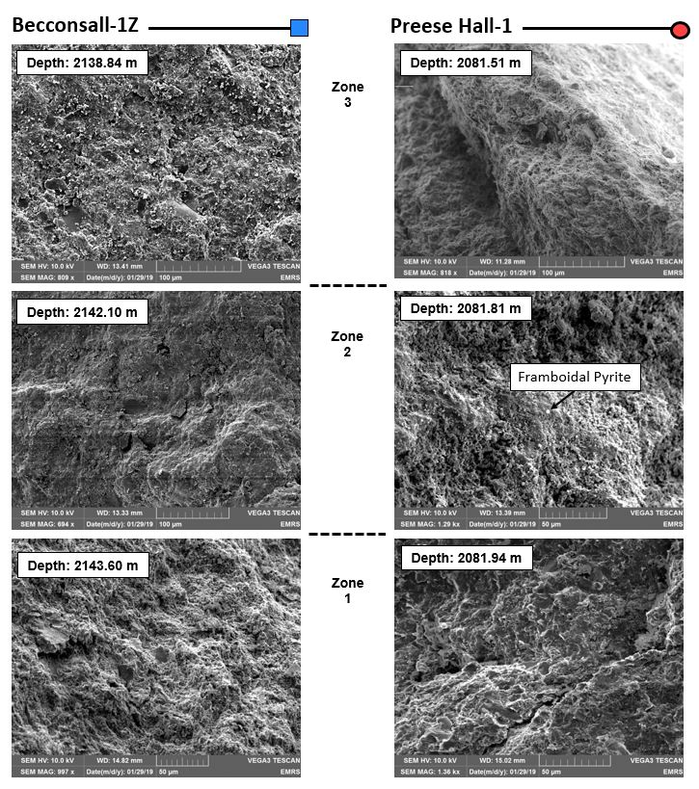
Becconsall-1Z |  |  | Preese Hall-1
Depth (m) | SSK Number | IDA Number | Depth (m) | SSK Number | IDA Number
2138.84 | SSK67355 | 244369 | 2081.51 | SSK62502 | 238594
2142.10 | SSK67347 | 244369 | 2081.81 | SSK62505 | 238594
2143.60 | SSK67359 | 244369 | 2081.94 | SSK62506 | 238594
Topographical information - secondary electron microscopy

